Data CBS
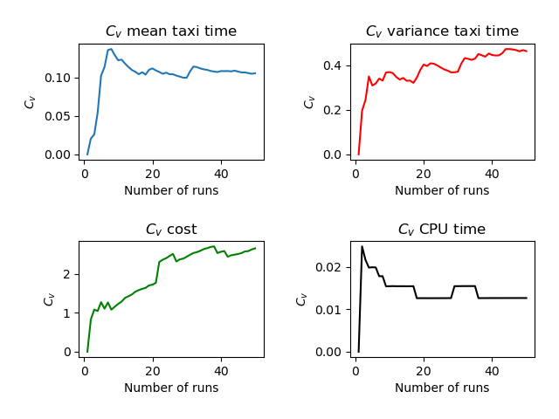
Run | Number of Aircraft | Maximum Spawn Time | Mean Taxitime | Variance Taxitime | Variance Cost | CPU Time
1 | 5 | 5 | 10 | 4.4 | 0.64 | 3.688
2 | 5 | 5 | 9.6 | 6.54 | 0.06 | 3.508
3 | 5 | 5 | 9.4 | 3.74 | 0.06 | 3.529
4 | 5 | 5 | 8.6 | 9.04 | 0.16 | 3.528
5 | 5 | 5 | 7.4 | 6.64 | 0 | 3.484
6 | 5 | 5 | 10.7 | 9.36 | 0.84 | 3.59
7 | 5 | 5 | 7.2 | 4.16 | 0 | 3.513
8 | 5 | 5 | 10.6 | 5.14 | 0.54 | 3.547
9 | 5 | 5 | 9.4 | 3.14 | 0.06 | 3.556
10 | 5 | 5 | 9.3 | 4.16 | 0.04 | 3.497
11 | 5 | 5 | 8.1 | 4.44 | 0.04 | 3.483
12 | 5 | 5 | 9 | 6 | 0 | 3.591
13 | 5 | 5 | 9 | 7.3 | 0.06 | 3.554
14 | 5 | 5 | 9.5 | 3.8 | 0.04 | 3.519
15 | 5 | 5 | 8.6 | 6.64 | 0 | 3.608
16 | 5 | 5 | 9.5 | 4.2 | 0.04 | 3.515
17 | 5 | 5 | 7.9 | 5.64 | 0.04 | 3.512
18 | 5 | 5 | 9.1 | 2.64 | 0.04 | 3.52
19 | 5 | 5 | 7.4 | 1.84 | 0 | 3.499
20 | 5 | 5 | 10.4 | 2.14 | 0.06 | 3.529
21 | 5 | 5 | 9 | 4.4 | 0 | 3.552
22 | 5 | 5 | 9.6 | 2.64 | 2.56 | 3.527
23 | 5 | 5 | 9.2 | 7.76 | 0 | 3.539
24 | 5 | 5 | 7.9 | 4.84 | 0.04 | 3.558
25 | 5 | 5 | 9.4 | 5.44 | 0 | 3.515
26 | 5 | 5 | 8.2 | 5.36 | 0 | 3.493
27 | 5 | 5 | 9.4 | 4.64 | 0.64 | 3.525
28 | 5 | 5 | 8.6 | 5.84 | 0 | 3.484
29 | 5 | 5 | 9.5 | 3.7 | 0.06 | 3.717
30 | 5 | 5 | 8.2 | 3.36 | 0 | 3.509
31 | 5 | 5 | 11.4 | 0.64 | 0 | 3.503
32 | 5 | 5 | 7 | 1.2 | 0 | 3.502
33 | 5 | 5 | 9.9 | 3.94 | 0.06 | 3.529
34 | 5 | 5 | 9.2 | 6.96 | 0 | 3.503
35 | 5 | 5 | 8.6 | 8.64 | 0 | 3.54
36 | 5 | 5 | 9.9 | 1.24 | 0.04 | 3.516
37 | 5 | 5 | 8.9 | 4.64 | 0.04 | 3.516
38 | 5 | 5 | 8.5 | 4.8 | 0.04 | 3.478
39 | 5 | 5 | 9.9 | 1.64 | 0.6 | 3.501
40 | 5 | 5 | 7.8 | 5.76 | 0 | 3.476
41 | 5 | 5 | 10.1 | 3.74 | 0.06 | 3.549
42 | 5 | 5 | 10.2 | 3.26 | 0.54 | 3.521
43 | 5 | 5 | 8.4 | 1.84 | 0 | 3.498
44 | 5 | 5 | 10.5 | 1 | 0.04 | 3.54
45 | 5 | 5 | 9.5 | 3.2 | 0.04 | 3.503
46 | 5 | 5 | 9.4 | 3.44 | 0 | 3.505
47 | 5 | 5 | 10.2 | 3.76 | 0 | 3.503
48 | 5 | 5 | 9.7 | 4.76 | 0.04 | 3.542
49 | 5 | 5 | 9.6 | 2.24 | 0 | 3.572
50 | 5 | 5 | 8 | 4.4 | 0 | 3.51
 | 5 | 5 | 9.128 | 4.4008 | 0.1504 | 3.52992

